Ex-Regression
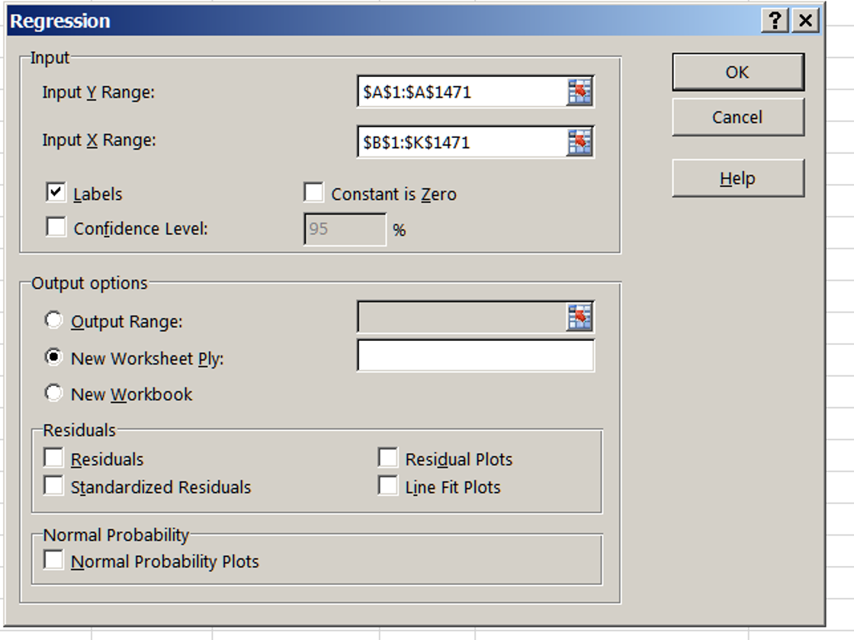
This tab shows the Regression output for Attrition (dependent variable) regressed on ten randomly chosen attributes (independent variables)
Try this again with your own selection of independent variables

SUMMARY OUTPUT

Regression Statistics
Multiple R | 0.29739385507
R Square | 0.088443105034
Adjusted R Square | 0.082195285329
Standard Error | 0.35242060157
Observations | 1470

ANOVA
 | df | SS | MS | F | Significance F
Regression | 10 | 17.5815868 | 1.75815868 | 14.155835029 | 3.5612761051E-24
Residual | 1459 | 181.20820912 | 0.12420028041
Total | 1469 | 198.78979592

 | Coefficients | Standard Error | t Stat | P-value | Lower 95% | Upper 95% | Lower 95.0% | Upper 95.0%
Intercept | 0.57567918204 | 0.070928232481 | 8.1163615939 | 1.0107156761E-15 | 0.43654698053 | 0.71481138355 | 0.43654698053 | 0.71481138355
Age | -0.0035488221407 | 0.0011920600881 | -2.977049711 | 0.002958335423 | -0.0058871568008 | -0.0012104874806 | -0.0058871568008 | -0.0012104874806
Business Travel Code | 0.088919491961 | 0.017311118103 | 5.1365539435 | 3.1761703079E-07 | 0.054962153845 | 0.12287683008 | 0.054962153845 | 0.12287683008
DailyRate | -4.0507532162E-05 | 2.2832872634E-05 | -1.7740882985 | 0.076257064262 | -8.5296295751E-05 | 4.2812314265E-06 | -8.5296295751E-05 | 4.2812314265E-06
DistanceFromHome | 0.0035977714413 | 0.0011352898862 | 3.1690332884 | 0.0015612099457 | 0.0013707967136 | 0.0058247461689 | 0.0013707967136 | 0.0058247461689
Education | 0.00063278713053 | 0.0091943903435 | 0.068823174445 | 0.94513980202 | -0.017402848685 | 0.018668422946 | -0.017402848685 | 0.018668422946
EnvironmentSatisfaction | -0.033741631616 | 0.0084298302312 | -4.0026466359 | 6.5784178578E-05 | -0.050277512991 | -0.017205750242 | -0.050277512991 | -0.017205750242
Gender Code | -0.021942360225 | 0.01880656617 | -1.16673932 | 0.2435063223 | -0.058833156211 | 0.01494843576 | -0.058833156211 | 0.01494843576
HourlyRate | -0.00015172356475 | 0.00045422043586 | -0.33403068812 | 0.73840440601 | -0.0010427184056 | 0.00073927127611 | -0.0010427184056 | 0.00073927127611
JobInvolvement | -0.06846740116 | 0.012977125211 | -5.2760068234 | 1.5193407976E-07 | -0.09392321666 | -0.043011585659 | -0.09392321666 | -0.043011585659
JobLevel | -0.041138188692 | 0.0096730417544 | -4.2528699593 | 2.244660838E-05 | -0.060112742935 | -0.022163634449 | -0.060112742935 | -0.022163634449

